Planilha1
DISTRIBUIDOR | REVENDEDOR / NOMBRE DEL DISTRIBUIDOR (PUNTO DE VENTA) | PONTOS | PONTOS RESTANTES | ITENS DISPONÍVEIS PARA TROCA | PONTOS
 |  |  |  | Oracle Red Bull Racing 2023 New Era Sergio Perez 9FORTY Cap | 2650
 |  |  |  | Oracle Red Bull Racing 2023 Sergio Peres Team Polo | 4400
 | MATERIAL | PONTOS |  | Oracle Red Bull Racing 2023 Team Hoodie | 5700
Selecione seus produtos |  |  |  | Scuderia Ferrari 2023 Team Polo | 5100
 |  |  |  | Scuderia Ferrari Puma Classic Cap - Red | 2100
 |  |  |  | Scuderia Ferrari 2023 Team hooded Sweat | 7200
 |  |  |  | Mercedes AMG Petronas F1 2023 Team Cap - White | 2400
 |  |  |  | Mercedes AMG Petronas F1 2023 Team Polo - Black | 4800
 |  |  |  | McLaren 2023 New Era 9FORTY Team Cap | 2450
 |  |  |  | Mclaren 2023 Team Polo | 4100
 |  |  |  | Mclaren x Calstone Full Zip Hoodie | 5350
 |  |  |  | Mercedes AMG Petronas F1 2023 Lewis Hamulton Cap - Black | 2750
 | TOTAL | 0 |  | Mercedes AMG Petronas F1 Logo Hooded Sweat - Black - Unisex | 5350
 |  |  |  | T-shirt Oregon Racing | 500
 |  |  |  | Oregon Racing - Cap | 250
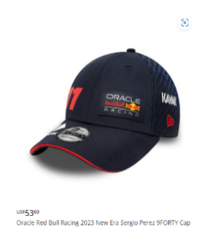
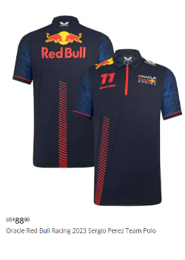
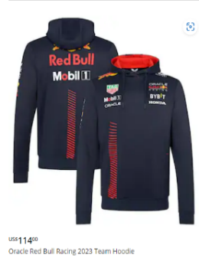
 |  |  |  | Oregon Racing Bottle | 400
 |  |  |  | Keychain Oregon Racing | 100
 |  |  |  | T-shirt Oregon | 500
 |  |  |  | Oregon Cap - Black | 250
 |  |  |  | Oregon Bottle | 400
 |  |  |  | Keychain Oregon | 100

